Read Me
NOTE: READ P21-29 'HOW TO USE THE CARE POLICY SCORECARD'
AND P31-95 'THE CARE POLICY SCORECARD' BEFORE USING THIS SCORING TEMPLATE

Scoring the indicators:
For each policy indicator there is a set of assessment criteria (12-22 for
each indicator), with the option of either a ‘Yes’, ‘Partially’ or ‘No’ response.

For some assessment questions, you may feel it is difficult to give a definite ‘Yes’ or ‘No’
answer. In this instance, you can assign a partial score of 0.5. For example, you might
assign a partial score when you can only answer ‘Yes’ to part of the assessment question,
but feel it is appropriate to show that some progress is being made (see further guidance
below).

The 0.5 does not indicate a numerical equivalent of progress, i.e. the halfway point
– rather it denotes that while some progress may have been made (i.e. the score should be
more than 0), this falls short of a 1. In other words, assign a score of 0.5 to anything that
you feel deserves a score more than 0 but less than 1.

Using this template:
Each tab contains a policy area and its respective indicators.

Numerical and percentage scores for each indicator and policy area will be automatically calculated.

If you are adding or removing any questions, make sure to adjust the formulas for both
the numerical and percentage scores for the indicator and policy area.

Taking the percentage you have just scored, use Table 3 below to assign
the overall degree of transformation for the indicator and policy area.

Table 3: Degree to which care policies are transformative for care

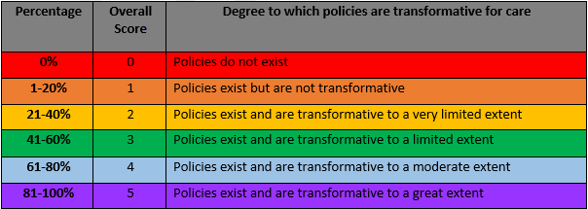

 | 0-20% | Policies do not exist or are not transformative
 | 21-60% | Policies exist but are limited in their transformative impact
 | 61-100% | Policies exist and are transformative to a greater extent

